Sheet1
 | Drug Incident # 1 by School

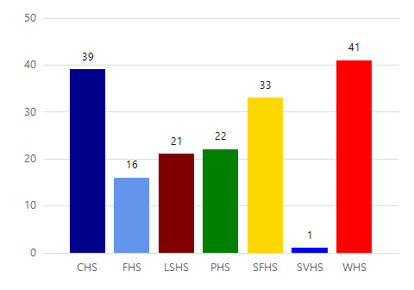

 |  | School Name | Count of Drug Incident # 1
 |  | CHS | 39
 |  | FHS | 16
 |  | LSHS | 21
 |  | PHS | 22
 |  | SFHS | 33
 |  | SVHS | 1
 |  | WHS | 41
 |  | TOTAL | 173

Sheet3
 | Drug Incident # 2 by School

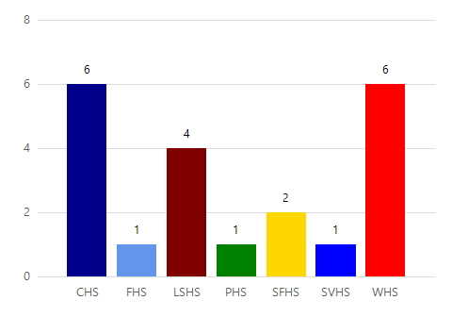

 |  | School Name | Count of Drug Incident # 2
 |  | CHS | 6
 |  | FHS | 1
 |  | LSHS | 4
 |  | PHS | 1
 |  | SFHS | 2
 |  | SVHS | 1
 |  | WHS | 6
 |  | TOTAL | 21

Sheet5
 | Drug Incident # 3 by School

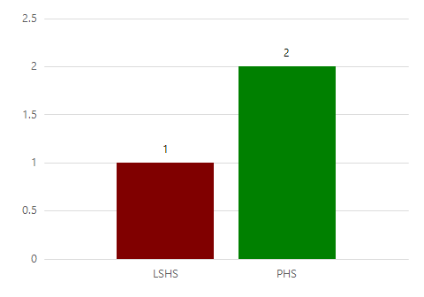

 |  | School Name | Count of Drug Incident # 3
 |  | LSHS | 1
 |  | PHS | 2
 |  | TOTAL | 3

Sheet7
 | Drug Incident # 4 by School

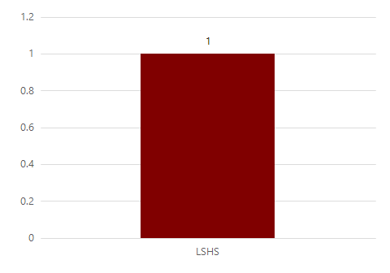

 |  | School Name | Count of Drug Incident # 3
 |  | LSHS | 1
 |  | PHS | 2
 |  | TOTAL | 3

